Summary Dashboard
ENGINEERING REVIEW BOARD DASHBOARD

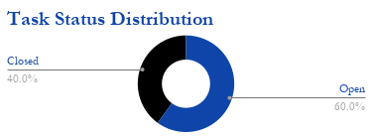
 | CATEGORY BREAKDOWN
 | Category | Total | Open | Closed | Overdue
 | Follow Up | 5 | 3 | 2 | 0
 | Action Plan | 5 | 3 | 2 | 2
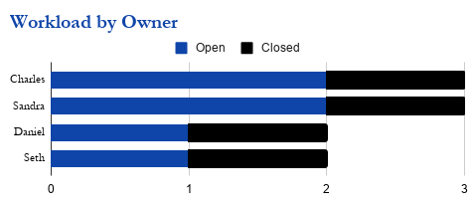
 | OWNER PROGRESS
 | Owner | Open | Closed | Progress
 | Charles | 2 | 1
 | Sandra | 2 | 1
 | Daniel | 1 | 1
 | Seth | 1 | 1

 | OVERDUE WATCHLIST
 | Task ID | Description | Category | Owner | Deadline
 | ENG-001 | Replace worn conveyor belt on Packing Line 2 | Action Plan | Charles | 7/23/2026
 | ENG-005 | Replace faulty compressed air regulator | Action Plan | Charles | 7/27/2026

